Identify Flowcharting Symbols
The following symbols are commonly used in program flowcharts to visually represent processes and decision points. Please identify these symbols and provide a brief description of their purpose in flowcharting. (5 Points)

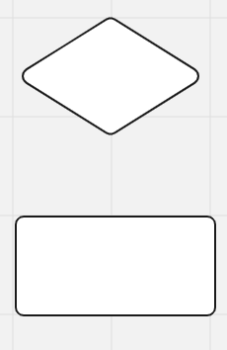
 | Symbol Name | Predefined process | Symbol Name | Decision
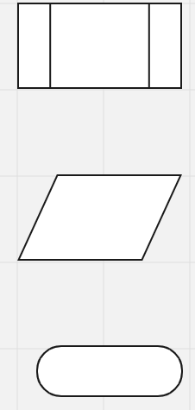
 | Indicates a process that is defined elsewhere in the program/flowchart |  | Indicates a question to be answered usally yes/no or true/false

 | Symbol Name | Input/Output | Symbol Name | Process

 | Represents data that is available for input or output |  | Represents a process, action, or function

 | Symbol Name | Start/End

 | Represents the start points, end points and potential outcomes of a path

Programming
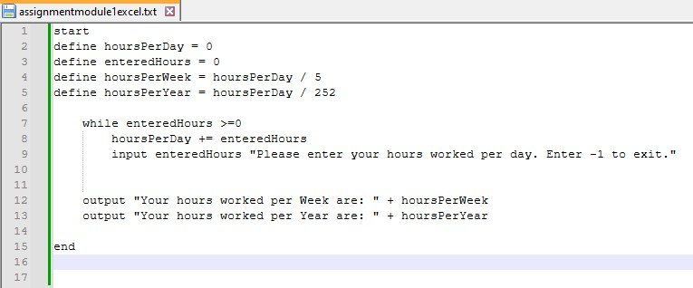
Please choose between creating a flowchart or writing pseudocode to illustrate the logic of a program that enables the user to input the number of hours worked per day. The program will then calculate the total hours worked in a week (5 days) and in a year (252 workdays). The final results will be displayed as program output. (5 Points)

SDLC - Interactive
1The Software Development Life Cycle (SDLC) is a structured process utilized for designing, developing, and testing high-quality software. It is a methodology that outlines the comprehensive process of software development in a systematic manner. For this assignment enter the name of the SDLC step in the blue boxes by double clicking on the terminal shape
Software Development Life Cycle (SDLC)
Maintain the program
Understand the problem

Plan the logic
Put the program into production

Write the code

2 Name two interactive programming languages.

Test the program
1 | Python

Translate the code
2 | Racket

